2400 PCS LIST
Packing List for TNF Jacket-800
SL | STYLE | COLOR | SAMPLE PICTURE | QR CODE | O.QTY | S | M | L | XL | XXL | TOTAL | PER CTN QTY | CTN | TOTAL QTY
1 | 3 Zipper - 800 | TNF BLACK | 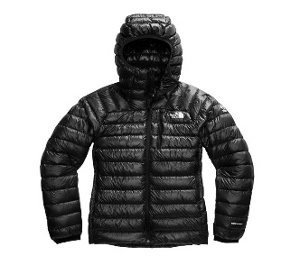 | 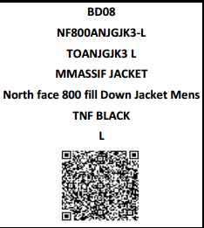 | 400 | 1 | 2 | 2 | 2 | 1 | 8 | 24 | 100 | 2,400
2 | 3 Zipper - 800 | TNF OLIVE | 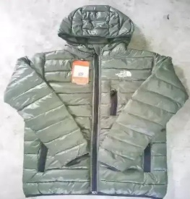 | 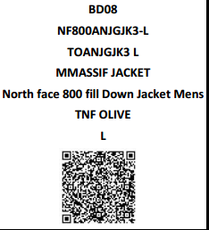 | 400 | 1 | 2 | 2 | 2 | 1 | 8
3 | 3 Zipper - 800 | TNF ROYAL BLUE | 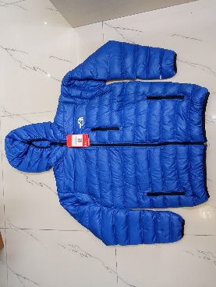 | 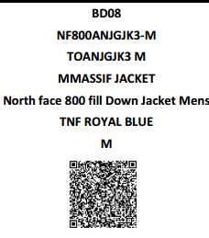 | 400 | 1 | 2 | 2 | 2 | 1 | 8
4 | 3 Zipper - 800 | TNF DEEP GREEN | 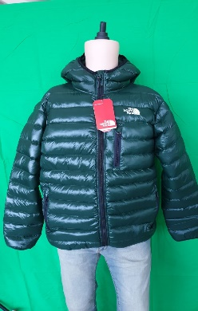 | 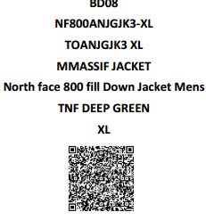 | 400 | 1 | 2 | 2 | 2 | 1 | 8
5 | 3 Zipper - 800 | TNF BURGUNDY | 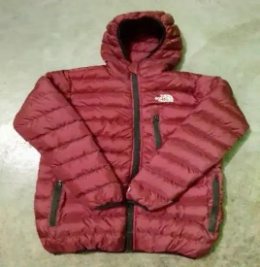 | 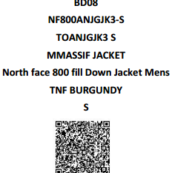 | 400 | 1 | 2 | 2 | 2 | 1 | 8
6 | 3 Zipper - 800 | TNF NAVY | 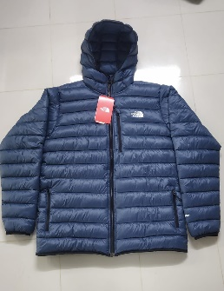 | 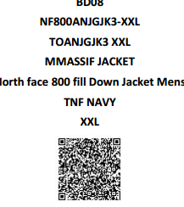 | 400 | 1 | 2 | 2 | 2 | 1 | 8
 | GRAND TOTAL |  |  |  | 2,400 |  |  |  |  |  |  |  |  | 2,400

 | TOTAL QUANTITY PCS |  | 2,400
 | TOTAL CARTON |  | 100
 | CARTON MEASUREMENT |  | 60X60X40
 | NET WEIGHT KG |  | 1600
 | GROSS WEIGHT KG |  | 1700
 | TOTAL CBM |  | 14.4

PREPARED BY |  |  | STORE INCHARGE |  | MERCHANDISER |  |  |  |  |  |  | UNDER AUTHORITY

Ratio wise Packing List
Packing List for TNF Jacket-800
SL | STYLE | COLOR | SAMPLE PICTURE | QR CODE | O.QTY | S | M | L | XL | XXL | TOTAL | PER CTN QTY | CTN | TOTAL QTY
1 | 3 Zipper - 800 | TNF BLACK | 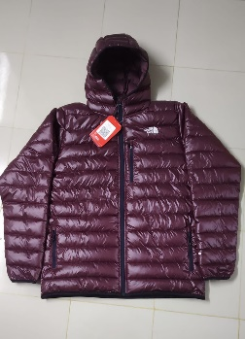 |  | 800 | 1 | 2 | 2 | 2 | 1 | 8 | 48 | 100 | 4,800
2 | 3 Zipper - 800 | TNF OLIVE |  |  | 800 | 1 | 2 | 2 | 2 | 1 | 8
3 | 3 Zipper - 800 | TNF ROYAL BLUE |  |  | 800 | 1 | 2 | 2 | 2 | 1 | 8
4 | 3 Zipper - 800 | TNF DEEP GREEN | 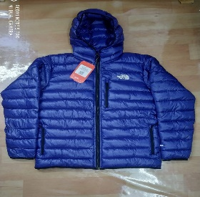 |  | 800 | 1 | 2 | 2 | 2 | 1 | 8
5 | 3 Zipper - 800 | TNF BURGUNDY |  |  | 800 | 1 | 2 | 2 | 2 | 1 | 8
6 | 3 Zipper - 800 | TNF NAVY |  |  | 800 | 1 | 2 | 2 | 2 | 1 | 8
 | GRAND TOTAL |  |  |  | 4,800 |  |  |  |  |  |  |  |  | 4,800

 | TOTAL QUANTITY PCS |  | 4,800
 | TOTAL CARTON |  | 100
 | CARTON MEASUREMENT |  | 60X60X40
 | NET WEIGHT KG |  | 3120
 | GROSS WEIGHT KG |  | 3320
 | TOTAL CBM |  | 14.4

PREPARED BY |  |  | STORE INCHARGE |  | MERCHANDISER |  |  |  |  |  |  | UNDER AUTHORITY

